Sheet1
Improvments report
date:10.05.2024
Quality assurance

Number | Description | Expected results | Attacment | Mockup
1. | It doesen't have circles around the text"Build a website that grows with your business" and the text is in three rows. The words are not the same size | There needs to be a circles around the text, text needs to be in two rows and words are so large | 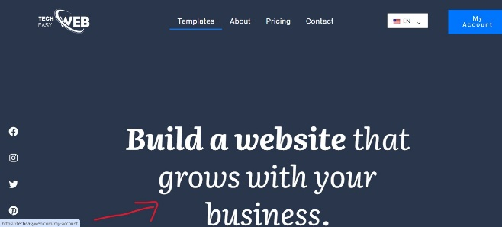 | https://www.figma.com/proto/mfiRnc80Dr3k3AQPH0pdac/Animation?page-id=0%3A1&type=design&node-id=1-6&t=xiXq939xtHFmsmeE-0&scaling=min-zoom&starting-point-node-id=1%3A6
2. | It doesen't have a pictures under" Get started" | Should have a pictures like in mockup | 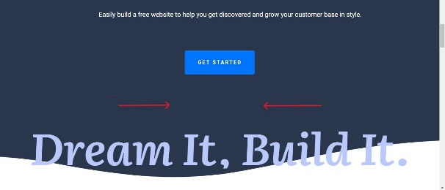
3. | The text"How to create a website"is in two rows, and get started button is missing, 3rd step is in three rows | Should be in one row, get started button has to be like mockup, 3rd step needs to be in two rows | 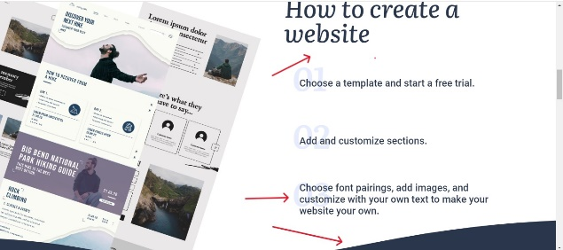
4. | Header text is not same format The selector page is not same as in the mockup Language the country is not displayed, and needs to be whole word My account mockup is not same font | Should be same as mockup | 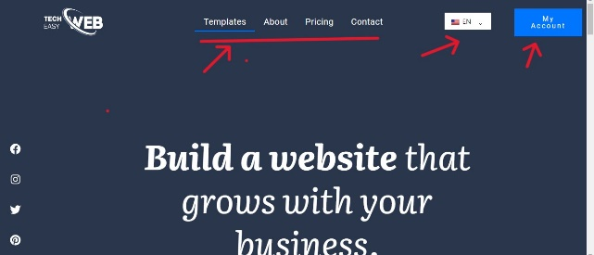
5. | The questions should have bright letters - dream it , build it. And needs lines between questions. | Should be like in the mockup | 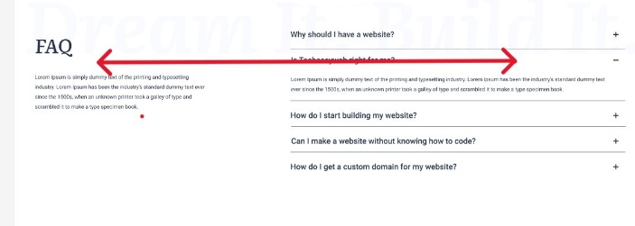
6. | The text "Here’s what our satisfied clients are saying" , "CLIENTS" need to be with bold, and it is in three rows | Should be like in the mockup with bold "CLIENTS", and text needs to be in two rows | 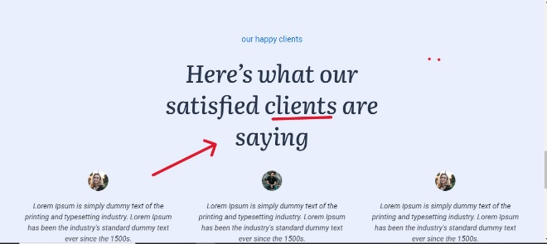
7. | The top header is not displayed all the time when scrolling down (same on all pages) | The header should be fixed and when scrolling down to be stll displayed | 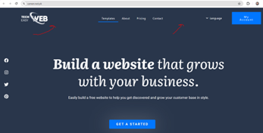
8. | In contact page, email and contact text color is not the same and overlap | Should be same as per mockup | 